Info
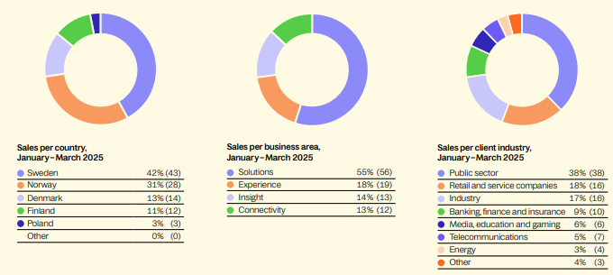


Financial targets:
Sales growth: 15%
Profitiability: EBITA margin 12% | (Virker lite sannsynlig i nærmer fremtid mtp at de har ikke vært der enda)

 |  | Q125

